Sales Rep
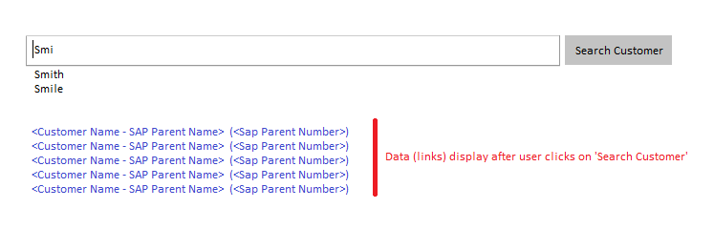
 | Hours | In Scope BR1 |  | Effort | Effort (Man Days)
1. Sales Rep: Sign In - refer to tab 'Screen Shot'. Keep what has been already developed. Just see if the image can be removed. | 0 |  | 0 | 20 | 2.5 | Assumption: Easily removable image… if not, need to estimate
2. Sales Rep: Forgot password - will show tool tip when mouse is hover over this label. (Content TBD - 'Username and Password is your network Id.'). Keep it as is. No change | 0 |  | 0
3. Sales Rep: After authentication… search works like google search. See screen shot below. - Show data as user types (ex: show 'smith' when user types smi) - Display 'contains' once user clicks on search button (ex: John Smith) | 12 | wait | 0
4. Sales Rep: Web Channel Admin screen - Sales Rep dummy IDs need to be hidden from Admin ('manage other users') | 8 |  | 8
5. Sales Rep: For sales rep's my profile, just show them the Site Preferences tab and allow them to edit the data only for that page. Hide the rest of the tabs. | 12 |  | 12
6. Sales Rep: For sales rep, do we show the other options in the admin hover, other than My Profile. | 0 |  | 0

